Instructions
The purpose of this workbook is to show the percentile rank and achievement level for any score.

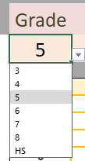
To change grades, select the cell below "Grade". Click on the arrow that appears to show the list of grades, then select the grade you wish to view (HS is based on grade 11).

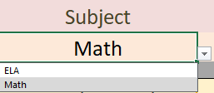
To change grades, select the cell below "Subject". Click on the arrow that appears to show the list of subjects, then select the subject you wish to view

To enter the score, select the cell below "Enter Score Here" and enter any score as a four digit number

The cells under "Percentile Rank" and "Achievment Level" will auto popuate; you do not need to edit these cells

The cutscores for each grade and subject are on the Main tab for conveneince. You can also look up the exact cutoffs for each percentile by grade on the appropriate tab

